Info
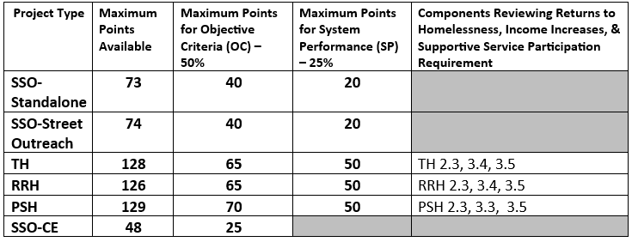
FY2026 Scorecard for CoC Program Funds: New Projects
This scorecard will be used by the North Carolina Balance of State Continuum of Care (NC BoS CoC) Project Review Committee to score applications for new projects. The NC BoS CoC prioritizes projects that are implemented in a timely manner with successful outcomes, meet performance benchmarks as demonstrated by their Annual Performance Report (APR), and adhere to the CoC’s Funding Priorities. Decisions in this tool are based on the content submitted by the applicant before the submission deadline. Content submitted after the deadline will not be considered in this review. However, the NC BoS CoC Project Review Committee may ask applicant agencies to provide additional information as needed to complete the following scorecard.
About This Tool
The first component of this tool is a Threshold Review, which is completed by NC BoS CoC staff at the North Carolina Coalition to End Homelessness (NCCEH). The Threshold Review includes thresholds that must be met in order for an applicant to advance in the CoC Program Competition and standards that an applicant should meet. Projects that do not meet thresholds will not be put through the next steps in the application process. Unmet standards will result in specific guidance provided to the applicant, with the possibility of required corrections as a condition for submission. The second component of this tool is the Scorecard, which was locally developed by our Scorecard Committee and derived from our CoC’s Funding Priorities. The Scorecard gives a numerical score to each applicant, providing foundational information about project performance to the Project Review Committee, who are responsible for ranking projects competitively on our Priority Listing.

Reviewer Name:

Date:

Applicant (Agency):

Project Name:

Project Type:

Meeting Required Point Distributions

